Figures 1 - thr-INT
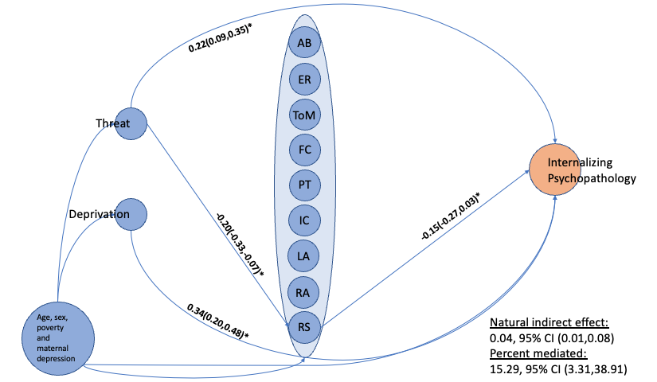
Figure 1: Mediating mechanism for threat's effect on internalizing symptoms through reward sensitivity

